Sheet1
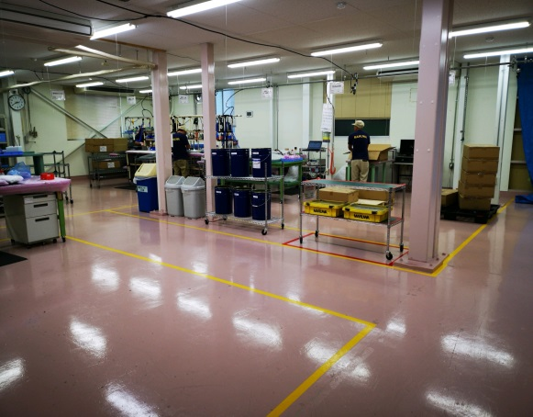
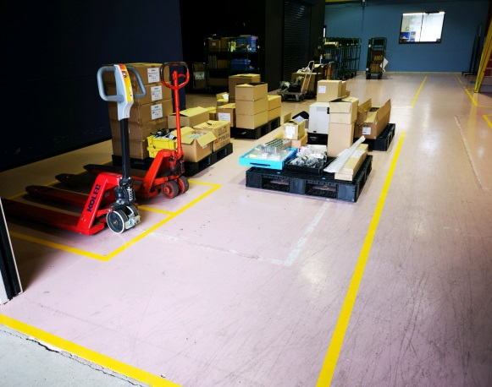
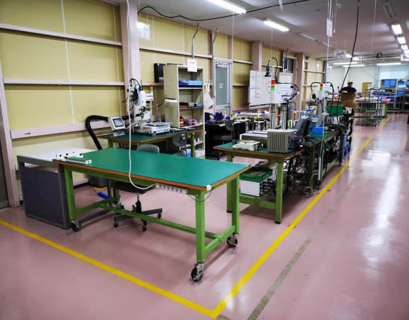
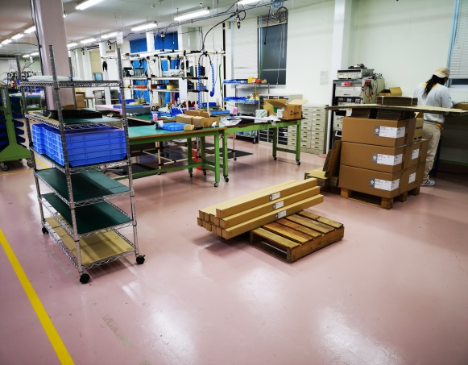
PRASAN AMORO
017877
Business Trip Report

Date : | 17th DEC 2019 - 21st DEC 2019
Venue : | Maruwa HQ, Toki Plant and Maruwa Shomei
Purpose : | Attend Meeting and Relayout Maruwa Shomei Production Floor

Date | Time | Activities
2019-12-18 | 8:30pm | Departure to KLIA
 | 1.35Am | Departure to Nagoya, Japan
2019-09-18 | 8:00am | Arrival at Nagoya
 | 10.30AM | Visit Toki Plant & Maruwa Shomei
 | 5:30pm | Check in to MielParque Hotel
 | 6:00pm - 9:00pm | Free & Easy
2019-12-19 | 8:00am | Visit Toki Plant & Maruwa Shomei
 | 8:30am | Relayout M.Shomei Production Floor & Warehouse
 | 10:00am | Maruwa Shomei Meeting
 | 11:00am | Visit Ferrite Magnet Production
 | 2:45pm | Maruwa Shomei Sales Meeting
2019-12-20 | 8:00am - 5:00pm | Maruwa Shomei (Relayout Production Floor & Warehouse), relayout discusion with Mr,Bano/Ashi)
2019-12-21 | 8:00am - 5.00pm | Visit Maruwa Shomei (Finishing Task) & Maruwa HQ
2019-12-22 | 6:30am | Check out and depart to Nagoya Airport

